Data Flow
Application Name - Main Application
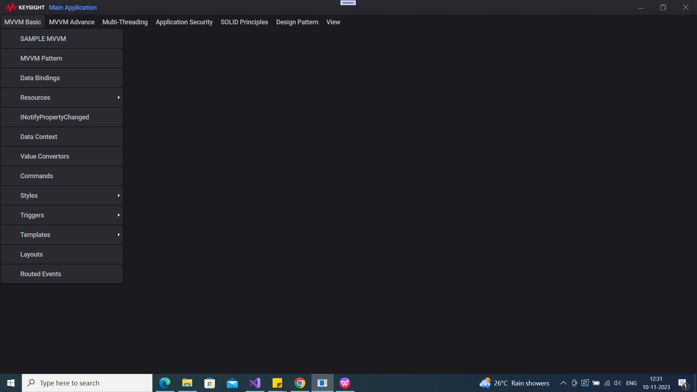

MVVM Basic |  |  | MVVM Advance
 | MVVM Sample |  |  | Dependency Property
 | MVVM Pattern |  |  |  | Dependency Property E1
 | Data Binding |  |  |  | Dependency Property E2
 | Resouces |  |  | Attached Property
 |  | Static |  | logical Vs Visual tree
 |  | Dynamic
 |  | Relative
 | INotifyPropertyChanged
 | DataContext
 | Value Convertors
 | Commands
 | Styles
 |  | Main | Multi-Threading
 |  | Inheritence |  | Dispather
 | Triggers |  |  | Background Thread
 |  | Main |  | Single Thread
 |  | Property |  | Background Thread 1
 |  | Event
 |  | Data
 | Templates
 |  | Data | Application Security
 |  | Control |  | File
 |  | Item |  | Form
 | Layouts
 |  | Grid
 |  | Dock Panel
 |  | Canvas
 |  | Stack Panel
 |  | Wrap Panel
 | Routed Events

Solid Principles |  |  | Design pattern
 | Single Resposibility | S |  | Singleton
 | Open Closed | O |  | Other
 | Liskov Substitution | L
 | Interface Segregation | I | View
 | Dependency Inversion | D |  | Themes
 |  |  |  |  | Caranu Dark
 |  |  |  |  | Caranu Light

